FI SAAS 250
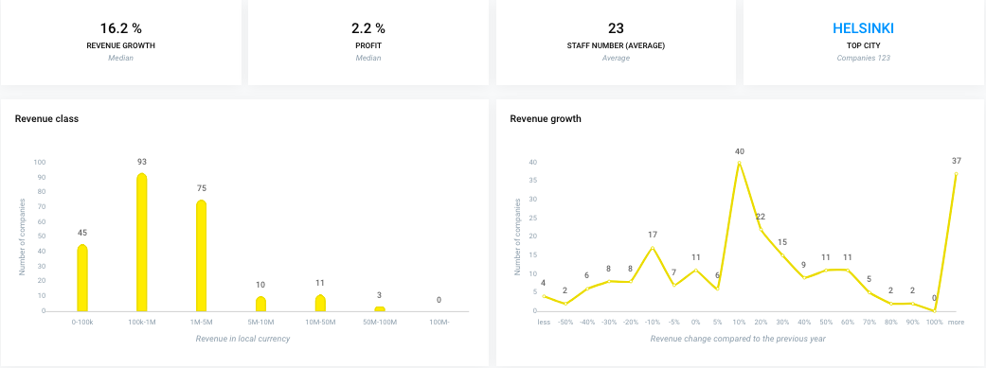
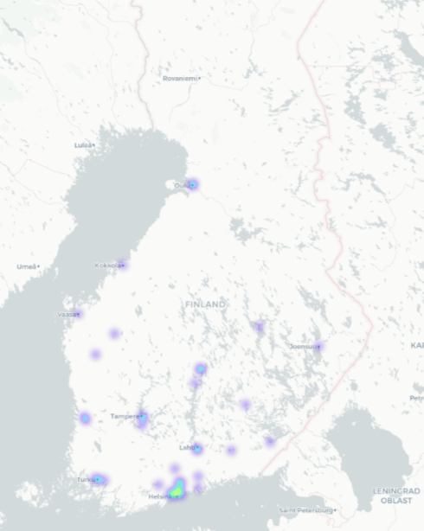
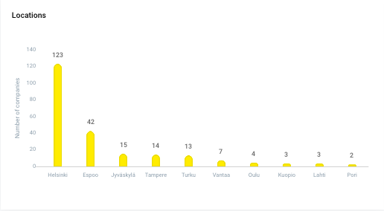
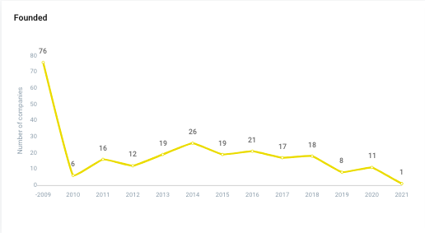

Business Name | Business ID | Address | Postal | City | Website | Registration Year | Vainu Custom Industry | Link to Vainu | Technologies | Languages
Accompany Oy | 3092010-7 | Pengerkatu 13 B 20 | 00530 | HELSINKI | www.accompany.fi | 08.10.2019 | Software,SaaS,Social Impact,Social,Sustainability,Crowdsourcing | https://app.vainu.io/vainu/prospect/1783405400/ | Linkedin, Website, TLS v1.2, Google font api, Form Html Element, Facebook, Instagram, SSL/TLS, Webflow, Jquery, _("Responsive"), Nginx, Adobe Typekit, Gmail, Varnish, Google Site Verification, Javascript, Openresty | la, En
AddSearch Oy | 2545782-4 | PL 8 | 02611 | ESPOO | www.addsearch.com | 22.04.2013 | Developer APIs,Software,SEO,Semantic Search,SaaS,E-Commerce,Information Technology,Google,Internet,B2C,Web Browsers,Search Engine | https://app.vainu.io/vainu/prospect/549364/ | Bamboo HR, MaxMind, Discover, Hubspot Forms, SSL/TLS, Mysql, G2 Crowd Conversion Tracking, Hubspot Analytics, Google Site Verification, Select2, Ruby on rails, PHP, Recurly, Html5, AddSearch, Linkedin, Github.com, Fastly, Website, Addthis, Intranet, Hubspot CMS, Hubspot, Facebook, Vimeo, Jquery, Varnish, Ruby, Yoast SEO, Javascript, Tab Icon, Amazon web services, TLS v1.2, jsDelivr, Google font api, GitHub Pages, WordPress 5.7, jQuery Migrate, Google tag manager, WordPress 5, Wordpress, SyntaxHighlighter, Nginx, _("Responsive"), Slack, Wp rocket, Mailgun, Hotjar, Hubspot Ads Pixel, Twitter, Osano, Amazon SES, Handlebars, Form Html Element, Hubspot Live Chat, Google analytics, Cookie Consent By Insites, Hubspot Customer Feedback, Gmail, Oribi Analytics, Nginx 1.19, GoToWebinar, Yoast SEO 17.2, Global Site Tag | En
Admin Labs Oy | 2751032-6 | Isolinnankatu 24 | 28100 | PORI | https://www.adminlabs.com | 03.03.2016 | Internet,Information Technology,Software,SaaS | https://app.vainu.io/vainu/prospect/5700978/ | Office365 email, American Express, Mysql, Paytrail, PHP, Linkedin, Website, Twitter Ads, Facebook, Prism, Google PageSpeed 1.13, Microsoft exchange, Jquery, Outlook, Javascript, Recaptcha, Tab Icon, WordPress 5.3, Matomo, MasterCard, jQuery Migrate, WordPress 5, Wordpress, Gravity Forms, _("Responsive"), Nginx, Slack, MailJet, Google pagespeed, Hotjar, Twitter, Tawk.To Chat, Form Html Element, Google analytics, Facebook pixel, Apache | En
Admincontrol Finland Oy | 2628996-5 | Yrjönkatu 23 A | 00100 | HELSINKI | https://www.admincontrol.com/fi/ | 30.06.2014 | Management Information Systems,Software,Financial Services,SaaS,Contract Management,Enterprise,Procurement,Business Information Systems,Compliance,Information Technology,Document Management | https://app.vainu.io/vainu/prospect/726020/ | Office365 email, Finnish, TLS v1.0, SSL/TLS, Amazon CloudFront, Mysql, TLS v1.1, Mailchimp, PHP, Html5, Linkedin, Website, TLS problem, Swedish, Youtube, lodash, Facebook, Site Kit, Salesforce, Jquery, Dutch, Outlook, Microsoft exchange, Youtube Embed, Gravatar, Giosg, Javascript, Tab Icon, Amazon web services, AmazonS, TLS v1.2, MasterCard, jQuery Migrate, Google tag manager, Wordpress, Salesforce marketing cloud, _("Responsive"), Gravity Forms, Office 365, MailJet, Optanon Cookie Consent, CloudFront, Danish, Twitter, Pardot, Norwegian, OneTrust, Site Kit 1.29, Cloudflare, Form Html Element, Cookielaw, Facebook Share Button Plugin, Blog, English | Nb, Da, No, Fi, Sv, En, Nl
Aibidia Oy | 2661124-8 | Kalevankatu 30 | 00100 | HELSINKI | www.aibidia.com | 23.12.2014 | Finance,Artificial Intelligence,Business Intelligence,Software,Professional Services,Financial Services,SaaS,Machine Learning,Compliance,FinTech,Analytics,Information Technology,Legal,API | https://app.vainu.io/vainu/prospect/732921/ | Backbone.js, Office365 email, TLS v1.0, SSL/TLS, Mysql, Google Site Verification, TLS v1.1, PHP, Linkedin, Website, Font awesome, Microsoft exchange, Jquery, Outlook, Javascript, Tab Icon, Underscore.js 1.13, TLS v1.2, Google font api, jQuery Migrate, Google tag manager, Wordpress, _("Responsive"), Twitter, Cloudflare, Underscore.js, Form Html Element, Kinsta, Instagram | En
Aico Group Oy | 2924912-5 | Tekniikantie 14 | 02150 | ESPOO | www.aico.ai | 28.06.2018 | Management Information Systems,Software,Enterprise Software,Financial Services,SaaS,Enterprise,FinTech,Business Information Systems,Information Technology | https://app.vainu.io/vainu/prospect/1475236696/ | Backbone.js, Active Campaign, Hubspot Forms, TLS v1.0, Plyr, SSL/TLS, Mysql, Hubspot Analytics, Google Site Verification, PHP, Mailchimp, Teamtailor, Html5, Linkedin, Website, Font awesome, Youtube, Intranet, Hubspot CMS, Hubspot, lodash, Facebook, Vimeo, ActiveCampaign, Jquery, Varnish, Outlook, Microsoft exchange, Gravatar, Javascript, Tab Icon, TLS v1.2, Google font api, jQuery Migrate, Google tag manager, Xhtml, Wordpress, Plyr 3.5, Underscore.js 1.8, Nginx, _("Responsive"), Hubspot Ads Pixel, Twitter, HubSpot CMS Hub, Cloudflare, GoToWebinar, Form Html Element, Underscore.js, Modernizr, Google analytics, Facebook Share Button Plugin, Blog, Sendgrid, Sharpspring | Fi, En
Aiwo Digital Oy | 2945537-5 | Kalevankatu 4 A 32 | 40100 | JYVÄSKYLÄ | www.aiwo.ai | 15.10.2018 | Customer Experience,Software,Enterprise Software,SaaS,Machine Learning,Customer Service,Customer Engagement,Analytics,Natural Language Processing,Information Technology,Semantic Web,Artificial Intelligence,Intelligent Systems | https://app.vainu.io/vainu/prospect/1317416088/ | Portuguese, Spanish, Office365 email, Finnish, Flash video, Hubspot Forms, Flash, TLS v1.0, SSL/TLS, Mysql, WordPress 5.8, Hubspot Analytics, Google Site Verification, Select2, PHP, Linkedin, Website, Youtube, Oxygen, scrollreveal, Hubspot, Vimeo, Jquery, Microsoft exchange, Outlook, Flickr, Youtube Embed, Gravatar, Javascript, Recaptcha, Hubspot Leadflows, Amazon web services, TLS v1.2, Google font api, Google tag manager, Gravity Forms, WordPress 5, Wordpress, _("Responsive"), Nginx, Hubspot Ads Pixel, Twitter, Amazon SES, Form Html Element, Gravity Forms 2.5, Hubspot Live Chat, Hubspot Email, Sendgrid, English | Fi, En, Pt, Es
Apix Messaging Oy | 2332748-7 | Sinikalliontie 7 | 02630 | ESPOO | www.apix.fi | 25.05.2010 | Software,Financial Services,SaaS,Payments,Business Information Systems,Information Technology | https://app.vainu.io/vainu/prospect/123210/ | Pure css, Linkedin Analytics / Advertisement Pixel, Flash video, TLS v1.0, Flash, SSL/TLS, Mysql, Hestia 1, Smartyads, WordPress 5.8, Adobe Typekit, Force.com, TLS v1.1, PHP, Linkedin, Apache 2.4, Website, Youtube, Twitter Ads, animate.css, Facebook, Adobe Spark / Muse, Ubuntu, Vimeo, Jquery, Microsoft exchange, Hestia, Outlook, Hestia 1.0, Yoast SEO, Youtube Embed, Javascript, Tab Icon, Linkedin Insight Tag, Amazon web services, _("Online_Store"), TLS v1.2, Google font api, Linkedin Data Partner, jQuery Migrate, Google tag manager, WordPress 5, Wordpress, _("Responsive"), Nginx, Contact Form 7 Wordpress Plugin, Hotjar, Twitter, Bootstrap, Tawk.To Chat, Form Html Element, Yoast SEO 17.1, Google analytics, Facebook pixel, Blog, Apache, Leadfeeder, SendinBlue, Lowell / Lindorff | Fi, En
AppFollow.fi Oy | 2728364-5 | Mikonkatu 9 | 00100 | HELSINKI | https://appfollow.io | 01.12.2015 | Mobile,Developer APIs,Mobile Apps,Software,iOS,Enterprise Software,SaaS,Small and Medium Businesses,Apps,Analytics,Consumer Applications,Consumer Software,Internet,Android,API | https://app.vainu.io/vainu/prospect/9727299/ | Craft Commerce, Active Campaign, American Express, Linkedin Analytics / Advertisement Pixel, TLS v1.0, SSL/TLS, Socket.IO, Google Site Verification, Node.js, TLS v1.1, Html5, Linkedin, Fastly, Website, Youtube, Semantic UI, Facebook, Afterpay, English, Salesforce, Jquery, Zendesk Chat, Youtube Embed, Google Plus, Atlassian Statuspage, Recaptcha, Javascript, Tab Icon, Recruitee, Amazon web services, _("Online_Store"), TLS v1.2, Segment, Visa, Google font api, jsDelivr, MasterCard, Google maps, Autopilot, Nginx, Mouseflow, Slack, Quora, _("Responsive"), Mailgun, Twitter, Russian, Moengage, Cloudflare, Form Html Element, Sentry, Google analytics, Instagram, Express, Sentry 6.12, Alpine.js, Gmail, Snapchat, Zendesk | En, Ru
Applixure Oy | 2507933-3 | Arabiankatu 12 | 00560 | HELSINKI | www.applixure.com | 29.10.2012 | SaaS,Enterprise,Commercial,Data Visualization,Security,Analytics,Service Industry,Information Technology,Cloud Management,Information Services,B2B | https://app.vainu.io/vainu/prospect/1638700/ | Office365 email, Loyalistic, Facebook Domain Verification, Vkontakte, Amazon CloudFront, Smartyads, Google Site Verification, Node.js, PHP, Linkedin, Website, Font awesome, Facebook, Vimeo, Jquery, Microsoft exchange, Outlook, Google Plus, Youtube Embed, Javascript, Automizy, Tab Icon, Amazon web services, Google font api, Google tag manager, _("Responsive"), Slack, Twitter, Form Html Element, Facebook Share Button Plugin, Express, Whatsapp Website Icon, Sendgrid | En
Apprix Oy | 1721154-1 | Yrjönkatu 21 C | 00100 | HELSINKI | www.apprix.fi | 03.10.2001 | Mobile,Education,SaaS,EdTech,Compliance,Security,Gamification,E-Learning,Serious Games,Corporate Training,Training,Edutainment | https://app.vainu.io/vainu/prospect/123335/ | Litespeed, Clipboard.js, Finnish, Pinterest, Vkontakte, SSL/TLS, Mysql, WordPress 5.8, Adobe Typekit, PHP, Mailchimp, Html5, Linkedin, Website, Font awesome, Tumblr, Intranet, Facebook, co, English, Vimeo, Jquery, Typekit, Microsoft exchange, Outlook, Elementor, Lightbox, Yoast SEO, Youtube Embed, Google Plus, Gravatar, Javascript, Tab Icon, Jquery ui, Underscore.js 1.13, TLS v1.2, Google font api, jQuery Migrate, Google maps, WordPress 5, Wordpress, Google tag manager, Choices, Zoho Email, Contact Form 7 Wordpress Plugin, Chart.js, Office 365, _("Responsive"), Italian, Twitter, Bootstrap, Underscore.js, Modernizr, Form Html Element, Extranet, Yoast SEO 17.1, Google analytics, Facebook Share Button Plugin, Swiper Slider, Whatsapp Website Icon, Gmail, Apache, SendinBlue, Global Site Tag | Fi, It, En
Assently Oy | 3150576-5 | Tekniikantie 2 | 02150 | ESPOO | www.assently.com/fi | 05.08.2020 | Management Information Systems,Real Time,Payments,Information Technology,Information Services,Product Search,Computer,Enterprise,Operating Systems,FinTech,Security,Business Information Systems,Privacy,Legal,B2C,B2B,Developer APIs,NFC,Enterprise Software,Identity Management,Contact Management,SaaS,E-Commerce,Service Industry,Document Management,Consumer Software,API,Office Administration,Software,Professional Services,Biometrics,Internet,Data Security,Consumer | https://app.vainu.io/vainu/prospect/2182012198/ | Spanish, Finnish, Flash video, Hubspot Forms, Flash, SSL/TLS, French, Mysql, Google Site Verification, PHP, Teamtailor, Html5, Linkedin, Website, Swedish, Font awesome, Detectify, Youtube, German, Hubspot CMS, Hubspot, Loaderio, Facebook, Vimeo, Jquery, Flickr, Youtube Embed, Gravatar, Javascript, Tab Icon, Amazon web services, Hubspot Meetings Plugin, Bootstrap 3, TLS v1.2, Google font api, Hubspot Marketing Hub, jQuery Migrate, Google maps, WordPress 5, Wordpress, Google tag manager, _("Responsive"), Wp rocket, Office 365, Slack, Microsoft IIS 10.0, Microsoft IIS, Danish, Zendesk, Leadoo, Twitter, Amazon SES, Norwegian, Bootstrap, Form Html Element, Google analytics, WordPress 5.6, Facebook Share Button Plugin, Facebook pixel, Hubspot Sales, Global Site Tag, Gmail, Apache, GoToWebinar, English | Fi, Sv, En
Avaa Solutions Oy | 3143223-6 | Onkilahdenkatu 5 | 65200 | VAASA | www.avaa.io | 22.06.2020 | Management Information Systems,Software,Rental Property,Real Estate,SaaS,Real Time,Commercial Real Estate,PaaS,Business Information Systems,Real Estate Investment,Facility Management,Information Technology,Consumer Software,Internet,API,Property Management | https://app.vainu.io/vainu/prospect/2169152564/ | Wordpress super cache, OWL Carousel, TLS v1.0, Vkontakte, SSL/TLS, Mysql, Google Site Verification, Google play, TLS v1.1, PHP, Html5, Linkedin, Website, Tumblr, Facebook, Vimeo, Jquery, Revslider, Revslider 6.1, Elementor, Youtube Embed, Yoast SEO, Google Plus, Recaptcha, Gravatar, Javascript, Tab Icon, TLS v1.2, Google font api, Plesk, jQuery Migrate, Google tag manager, WordPress 5, Wordpress, Underscore.js 1.8, _("Responsive"), Nginx, Contact Form 7 Wordpress Plugin, Underscore.js, Modernizr, Form Html Element, Instagram, Swiper Slider, Whatsapp Website Icon, Yoast SEO 14.6 | Fi, En
Avaintec Oy | 1083359-1 | Itämerenkatu 1 | 00180 | HELSINKI | www.avaintec.com | 11.04.1997 | Software,SaaS,Enterprise,Commercial,Machine Learning,Blockchain,Service Industry,Information Technology,Health Care,Software Engineering,Artificial Intelligence,Robotics,Intelligent Systems,B2B | https://app.vainu.io/vainu/prospect/107407/ | TLS v1.0, SSL/TLS, Google Site Verification, TLS v1.1, PHP, Linkedin, Website, lodash, Facebook, Jquery, Javascript, Tab Icon, TLS v1.2, Pepyaka 1.19, Atlassian Domain Verification, Wix, React, _("Responsive"), Twitter, Bootstrap, Whatsapp Website Icon, Gmail, Pepyaka | En
BackedByCFO Oy | 2950436-8 | Lapinlahdenkatu 16 | 00180 | HELSINKI | www.riskrate.io | 03.12.2018 | Finance,Software,Financial Services,SaaS,Database,FinTech,Insurance,Information Technology,Risk Management,API | https://app.vainu.io/vainu/prospect/1401162278/ | TLS v1.0, SSL/TLS, Google Site Verification, TLS v1.1, Html5, Linkedin, Website, lodash, Facebook, Javascript, Tab Icon, Hubspot Meetings Plugin, _("Online_Store"), TLS v1.2, Google font api, Google tag manager, Wix, React, _("Responsive"), Slack, Twitter, Bootstrap, Cloudflare, Google analytics, Instagram, Hubspot Sales, Whatsapp Website Icon, Gmail, Ionicons, Global Site Tag | Fi, En
BaseN Oy | 1737550-3 | Salmisaarenaukio 1 | 00180 | HELSINKI | http://www.basen.net | 12.12.2001 | Software,Enterprise Software,Real Time,SaaS,Enterprise,Analytics,Information Technology,Cloud Computing,Internet of Things,Big Data,Telecommunications | https://app.vainu.io/vainu/prospect/130898/ | Office365 email, Linkedin Analytics / Advertisement Pixel, TLS v1.0, Vkontakte, SSL/TLS, Mysql, Force.com, TLS v1.1, PHP, Html5, Linkedin, Website, Tumblr, Facebook, Vimeo, Jquery, Microsoft exchange, Outlook, Elementor, Yoast SEO, Google Plus, Gravatar, Javascript, Tab Icon, Linkedin Insight Tag, TLS v1.2, Monsterinsights, Google font api, Linkedin Data Partner, WordPress 5.7, jQuery Migrate, Google tag manager, WordPress 5, Wordpress, Atlassian Domain Verification, Underscore.js 1.8, _("Responsive"), Yoast SEO 17.2, Twitter, Cloudflare, Underscore.js, Form Html Element, Yoast SEO 17.1, Google analytics, Instagram, Swiper Slider, Whatsapp Website Icon, Sharepoint Online | Fi, En
Basware Oyj | 0592542-4 | PL 97 | 02601 | ESPOO | https://www.basware.com/fi-fi/kotisivu/ | 04.06.1985 | Software,Manufacturing,SaaS,Payments,Commercial,FinTech,Information Technology,B2B | https://app.vainu.io/vainu/prospect/130964/ | Microsoft asp.net, Office365 email, SSL/TLS, Mysql, Divi 4.9, PHP, jQuery UI 1.10, Linkedin, Website, Font awesome, Youtube, scrollreveal, Cloudflare Browser Insights, animate.css, Optimizely, Facebook, Vimeo, Jquery, Microsoft exchange, Outlook, Flickr, Youtube Embed, Google Plus, Javascript, Tab Icon, Jquery ui, WP Engine, Kentico cms, Service Now, Vidyard, Stripe Online Payments, TLS v1.2, Docusign, Google font api, Hubspot Marketing Hub, MasterCard, jQuery Migrate, Google maps, Wordpress, QuoVadis, Google tag manager, Nginx, Office 365, _("Responsive"), Mailgun, Jobylon, Adobe Analytics, Twitter, Divi, Bootstrap, Cloudflare, Bootstrap 4.6, Form Html Element, Dynatrace, Google analytics, Instagram, Facebook Share Button Plugin | En, Fr
...

SE SAAS 250
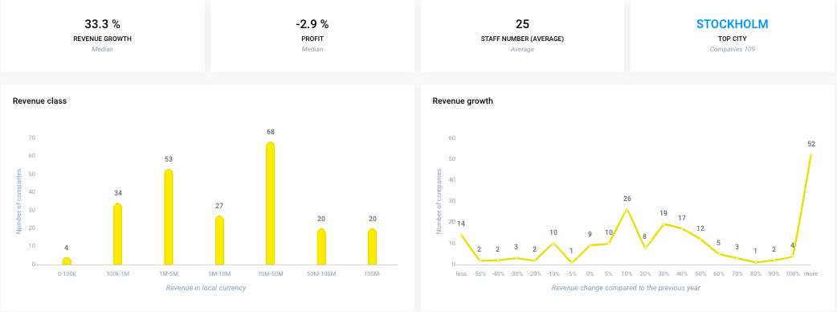
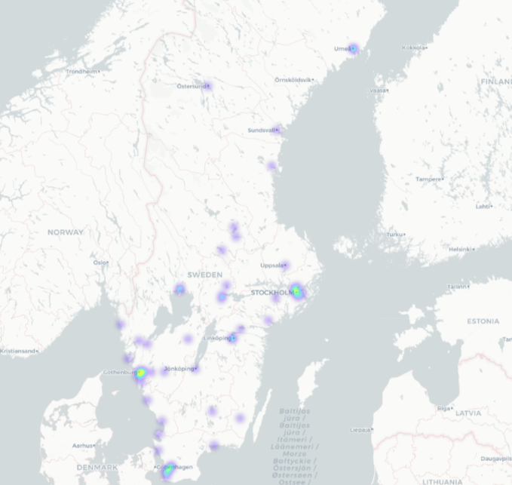
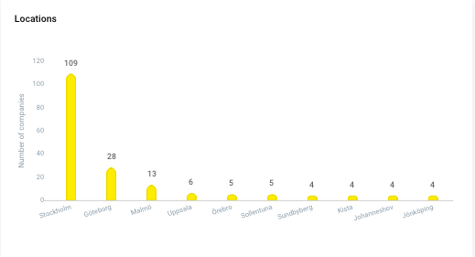
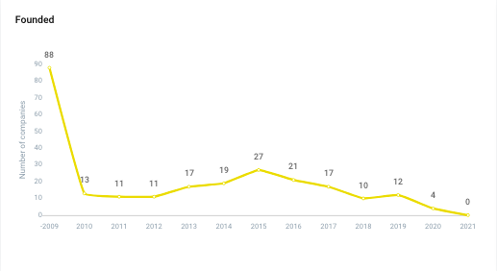

Business Name | Business ID | Address | Postal | City | Website | Registration Year | Vainu Custom Industry | Link to Vainu | Technologies | Languages
84codes AB | 5568980782 | Ottsjö Rävstigen 16 | 83796 | UNDERSÅKER | 84codes.com | 03.07.2012 | Open Source,Developer Platform,Operating Systems,Software,Linux,Cloud Management,Information Technology,Software Engineering,Web Hosting,Application Performance Management,Cloud Computing,PaaS,Data Center Automation,Developer Tools,Cloud Infrastructure,Amazon Web Services (AWS) | https://app.vainu.io/vainu/prospect/1558896/ | PHP, GitHub Pages, Bootstrap, Font awesome, Linkedin Analytics / Advertisement Pixel, Help Scout, Website, Google analytics, SSL/TLS, Jquery, Amazon SES, Ruby on rails, Office 365, Jekyll, Github.com, Jekyll v3.9, Varnish, Ruby, TLS v1.0, Slack, Fastly, Facebook Share Button Plugin, Amazon web services, Form Html Element, Vimeo, Bootstrap 4.5, Youtube, _("Responsive"), Google Site Verification, Gmail, Youtube Embed, Javascript, Facebook, TLS v1.1 | En
Acconomy AB | 5562175157 | GULLBERGS STRANDGATA, 36 | 41104 | GÖTEBORG | acconomy.com | 12.05.1982 | Finance,FinTech,Financial Services,Billing,Accounting,Payments,Information Technology,SaaS,Software | https://app.vainu.io/vainu/prospect/1271781/ | PHP, MasterCard, Font awesome, Instagram, Website, Google analytics, Microsoft IIS, Office365 email, Jquery, Microsoft IIS 10.0, Dutch, Outlook, Microsoft asp.net, Office 365, Google maps, Microsoft exchange, Apple App Store, jQuery UI 1.8, Microsoft ASP.NET 4.0, Tab Icon, Google play, Slack, German, Swedish, Norwegian, Form Html Element, English, _("Responsive"), Google Site Verification, Blog, _("Online_Store"), Jquery ui, Linkedin, Javascript, Facebook | Sv, En
Addoro AB | 5567715957 | Magnusvägen 41A | 43362 | SÄVEDALEN | addoro.com | 04.12.2008 | Software,Information Technology,Contact Management,Document Management,SaaS,Enterprise,Business Information Systems | https://app.vainu.io/vainu/prospect/1355049/ | PHP, Apache 2.4, Ubuntu, Gravatar, TLS v1.2, Google analytics, Site Kit 1.38, Website, SSL/TLS, Jquery, Amazon SES, Prototype, Google maps, Atlassian Domain Verification, Osano, Yoast SEO, Wordpress, Tab Icon, jQuery Migrate, Flash, Html5, Google tag manager, Modernizr, Xhtml, Hotjar, Nginx, Site Kit, Form Html Element, Vimeo, English, Mysql, _("Responsive"), Google Site Verification, WordPress 5, MaxMind, Yoast SEO 17.0, Script.aculo.us, Blog, Cookie Consent By Insites, Apache, Gmail, Contact Form 7 Wordpress Plugin, Javascript | Sv, En
Adfenix AB | 5569512451 | Storgatan 53 6TR | 41138 | GÖTEBORG | https://adfenix.com/ | 02.12.2013 | Advertising,Artificial Intelligence,B2B,B2C,Software,Lead Generation,Digital Marketing,Information Technology,Product Search,Marketing Automation,Marketing,SaaS,Social Media,Social Media Marketing,Analytics,Real Estate,Machine Learning | https://app.vainu.io/vainu/prospect/1551603/ | Webflow, Vkontakte, Instagram, TLS v1.2, Website, Mailchimp, SSL/TLS, Jquery, Amazon SES, Twitter, Pardot, Salesforce, Adobe Typekit, Embed.Ly, Wistia, Atlassian Domain Verification, Booking Widget (All), Amazon CloudFront, Osano, Tab Icon, Google tag manager, Varnish, Slack, Stripe Online Payments, AmazonS, Google font api, Nginx, Salesforce marketing cloud, Mailgun, Amazon web services, jsDelivr, Form Html Element, Stripe, _("Responsive"), Google Site Verification, Cookie Consent By Insites, Gmail, Unbounce, Openresty, Linkedin, Active Campaign, Javascript, Facebook | En
Agilon Analytics AB | 5592030992 | Annedalsvägen 22 | 16870 | BROMMA | agilon.io | 18.04.2019 | Artificial Intelligence,Business Intelligence,Software,Information Technology,Enterprise Software,Management Information Systems,SaaS,Analytics,Machine Learning | https://app.vainu.io/vainu/prospect/1596374872/ | PHP, Vkontakte, Underscore.js 1.8, Bootstrap, Font awesome, Gravatar, Website, Google analytics, Yoast SEO 16.0, Office365 email, Jquery, Tumblr, Twitter, Swiper Slider, Outlook, WordPress 5.8, Wordpress super cache, Elementor, Office 365, Microsoft exchange, Underscore.js, Yoast SEO, Wordpress, jQuery Migrate, Google tag manager, Html5, Pinterest, Google font api, Facebook pixel, Swedish, Facebook Share Button Plugin, Whatsapp Website Icon, Form Html Element, Vimeo, Mysql, English, Youtube, Google Plus, _("Responsive"), Google Site Verification, WordPress 5, OWL Carousel, Apache, Youtube Embed, Javascript, Facebook | Sv, En
Albacross Nordic AB | 5569427338 | Tegelbacken 4a | 11152 | STOCKHOLM | albacross.com | 18.09.2013 | CRM,Advertising,B2B,B2C,Software,Lead Generation,Digital Marketing,Information Technology,Lead Management,Business Development,Marketing Automation,Marketing,SaaS,Consulting,Email Marketing,Analytics | https://app.vainu.io/vainu/prospect/1410565/ | PHP, Hugo 0.44, Teamtailor, Linkedin Analytics / Advertisement Pixel, TLS v1.2, Google analytics, Website, section.io, SSL/TLS, Jquery, Amazon SES, Twitter, Stimulus, Wistia, Google maps, Underscore.js, Spot.Im / Disgus, Booking Widget (All), UNPKG, Amazon CloudFront, Tab Icon, Google tag manager, Varnish, Chili Piper, Ruby, Html5, TLS v1.0, Hugo, Stripe Online Payments, AmazonS, Heroku, Google font api, Calendly, Youtube Embed, Amazon web services, ZOOM, Form Html Element, Stripe, Vimeo, Youtube, Google Plus, Segment, _("Responsive"), Disqus, Google Site Verification, Intercom, Rackcache, Gmail, Uikit, Linkedin, Active Campaign, Javascript, Facebook, TLS v1.1 | En
AlexisHR AB | 5592257132 | Magnus Ladulåsgatan 3 | 11865 | STOCKHOLM | alexishr.com | 07.11.2019 | Virtual Workforce,Software,Information Technology,Human Resources,SaaS,Management Information Systems | https://app.vainu.io/vainu/prospect/1831060186/ | Global Site Tag, Facebook Domain Verification, PHP, Webflow, Teamtailor, Ziggeo, MasterCard, Font awesome, React, TLS v1.2, Google analytics, OpenResty 1.19, section.io, SSL/TLS, Jquery, Website, Mailchimp, Twitter, Fontfaceobserver, CookieFirst, Stimulus, Adobe Typekit, Office 365, Google maps, Atlassian Domain Verification, Amazon CloudFront, Cloudflare, Tab Icon, Google tag manager, Varnish, Ruby, Typeform, Html5, Slack, American Express, Weglot, Sustainability Report, Fastly, Facebook Like Button Plugin, Jimdo, Google font api, Heroku, Nginx, Calendly, Shopify, Facebook Share Button Plugin, Youtube Embed, Amazon web services, Form Html Element, Vimeo, Youtube, _("Responsive"), Google Site Verification, Atlassian Statuspage, Intercom, _("Online_Store"), Rackcache, Castle Accont Takeout Prevention, Gmail, Recaptcha, Hubspot, Sendgrid, Openresty, Linkedin, Javascript, Facebook | Sv, En
Alva Labs AB | 5591038178 | Kivra: 559103-8178 | 10631 | STOCKHOLM | alvalabs.io | 08.03.2017 | Artificial Intelligence,Software,Information Technology,Human Resources,Skill Assessment,SaaS,Recruiting,Analytics,Machine Learning | https://app.vainu.io/vainu/prospect/453921277/ | PHP, Teamtailor, Bootstrap, Nginx 1.21, Font awesome, React, TLS v1.2, Google analytics, Website, section.io, SSL/TLS, Twitter, Stimulus, Embed.Ly, Wistia, Amazon CloudFront, Cloudflare, Satismeter, Tab Icon, Wordpress, Varnish, Google tag manager, Ruby, Html5, Typeform, Postmark, TLS v1.0, Hotjar, Slack, Google Optimize, AMP, Heroku, Nginx 1.19, Google font api, Hubspot CMS, Facebook pixel, Nginx, animate.css, Detectify, Youtube Embed, Amazon web services, Form Html Element, Bootstrap 4.7, Linkedin Sign-in, Youtube, HubSpot CMS Hub, Segment, Google Site Verification, _("Responsive"), Intercom, Google Cloud, Greenhouse, Blog, Rackcache, Hubspot Marketing Hub, Gmail, Hubspot, Hubspot Forms, Contentful, Bulma, Linkedin, Javascript, Facebook, TLS v1.1 | Sv, En
Apix Messaging AB | 5569649287 | Bror Nilssons gata 5 | 41755 | GÖTEBORG | apixmessaging.se | 12.03.2014 | Information Technology,SaaS,Software,Billing | https://app.vainu.io/vainu/prospect/112369641/ | PHP, Bootstrap, Linkedin Analytics / Advertisement Pixel, Force.com, Gravatar, TLS v1.2, Google analytics, Website, SSL/TLS, Jquery, Twitter, WordPress 5.8, Flash video, Leadfeeder, Zurb foundation, Twitter Ads, Yoast SEO, Wordpress, Tab Icon, Hestia, Flash, jQuery Migrate, Google tag manager, TLS v1.0, Hotjar, Linkedin Data Partner, Slack, Linkedin Insight Tag, Google font api, Facebook pixel, Nginx, Hestia 1, Amazon web services, Form Html Element, Vimeo, Yoast SEO 17.1, Mysql, Youtube, Linkedin, Hestia 1.0, _("Responsive"), WordPress 5, _("Online_Store"), Contact Form 7 Wordpress Plugin, Oscar ekauppa, Youtube Embed, Javascript, Facebook | Sv, En
...

NO SAAS 250
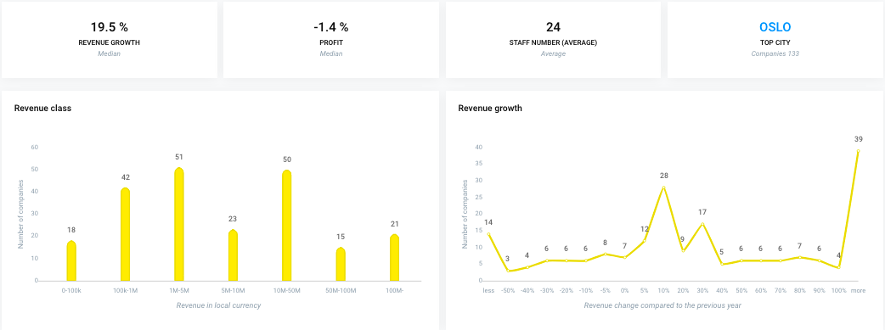
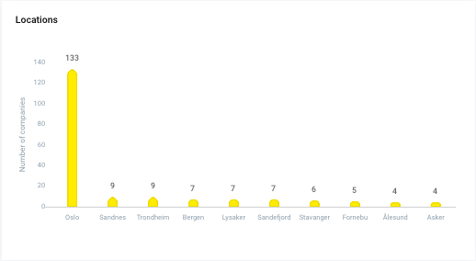
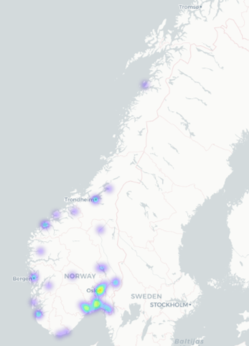
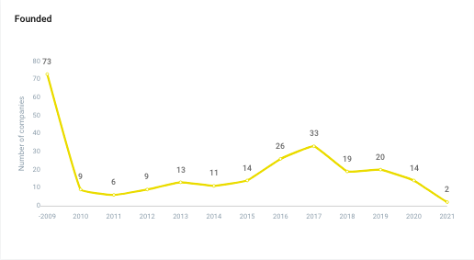

Business Name | Business ID | Address | Postal | City | Website | Registration Year | Vainu Custom Industry | Link to Vainu | Technologies | Languages
ABSEC AS | NO917533458 | Parkveien 39B | 0258 | OSLO | absec.no | 05.08.2016 | Software,Information Technology,Risk Management,Network Security,Security,SaaS,Cyber Security | https://app.vainu.io/vainu/prospect/62945620/ | PHP, Jquery, TLS v1.2, Google font api, Microsoft exchange, Vimeo, Underscore.js 1.13, Wordpress, Facebook, _("Responsive"), Mysql, jQuery Migrate, Form Html Element, Javascript, SSL/TLS, WordPress 5.8, Nginx 1.20, Wordpress super cache, Website, Office 365, Flickr, Nginx, Outlook, WordPress 5, Underscore.js, Office365 email | Nb, En, No
ADMINCONTROL AS | NO987992883 | Lille Grensen 7 | 0159 | OSLO | admincontrol.com | 17.03.2005 | Document Management,Software,Information Technology,Enterprise,Contract Management,Business Information Systems,Management Information Systems,SaaS,Financial Services | https://app.vainu.io/vainu/prospect/1772374/ | PHP, Twitter, Google tag manager, Finnish, Danish, Jquery, Tab Icon, TLS v1.2, Mailchimp, AmazonS, Microsoft exchange, Vimeo, Youtube Embed, Gravatar, Wordpress, Facebook, Dutch, TLS problem, TLS v1.1, Salesforce marketing cloud, Pardot, lodash, Cloudflare, Giosg, Mysql, Linkedin, Youtube, Amazon CloudFront, jQuery Migrate, _("Responsive"), Site Kit 1.29, Facebook Share Button Plugin, Norwegian, Html5, CloudFront, Form Html Element, Javascript, Gravity Forms, SSL/TLS, Cookielaw, Office 365, Website, TLS v1.0, Swedish, Blog, Outlook, Salesforce, English, OneTrust, MailJet, Site Kit, Amazon web services, MasterCard, Office365 email, Recaptcha, Optanon Cookie Consent | Sv, Fi, Nb, Nl, Da, En, No
ADREGA AS | NO986276475 | Aslakveien 14E | 0753 | OSLO | adrega.com | 29.11.2003 | Software,Project Management,Task Management,Productivity Tools,Management Information Systems,Information Technology,SaaS | https://app.vainu.io/vainu/prospect/1772603/ | Website, Apache 2.4, PHP, Html5, Form Html Element, Ubuntu, Javascript, Jquery, Tab Icon, Apache, Youtube, _("Responsive"), Google analytics, Linkedin, Bootstrap | En
ADSTATE AS | NO980527395 | Storgata 2 | 3210 | SANDEFJORD | http://adstate.com/?lang=nb | 23.02.1999 | B2C,Local Business,E-Commerce,Local,Service Industry,Subscription Service,Product Search,Internet,Consumer Applications,Marketing,Religion,Web Browsers,Consumer Software,Online Portals,Contact Management,Consumer,Online Forums,Private Social Networking | https://app.vainu.io/vainu/prospect/1772841/ | Hubspot Customer Feedback, PHP, Twitter, Google tag manager, Hubspot CMS, Danish, Jquery, Tab Icon, TLS v1.2, Hubspot Forms, Google font api, GoToWebinar, Microsoft exchange, Vimeo, Hotjar, Youtube Embed, Facebook, Dutch, Linkedin Sign-in, Slack, TLS v1.1, AMP, Mailgun, Cloudflare, Youtube, _("Responsive"), Google analytics, Linkedin, Amazon CloudFront, Norwegian, Google Site Verification, Html5, Hubspot Marketing Hub, Form Html Element, Javascript, SSL/TLS, animate.css, HubSpot CMS Hub, Website, Swedish, TLS v1.0, Flickr, Blog, Outlook, English, Instagram, Amazon web services, Hubspot | Sv, Sk, nn, Nl, Da, En, No
AGILIS AS | NO990003327 | Gjerdrums vei 11 | 0484 | OSLO | http://agilis.no | 05.07.2006 | IT Infrastructure,Open Source,Software,Project Management,Information Technology,IaaS,PaaS,SaaS | https://app.vainu.io/vainu/prospect/1777194/ | Pepyaka 1.19, Wix, Atlassian Domain Verification, Tab Icon, TLS v1.2, Microsoft exchange, Facebook, Pepyaka, TLS v1.1, React, lodash, _("Responsive"), Linkedin, Bootstrap, Google Site Verification, Form Html Element, Javascript, SSL/TLS, Website, Office 365, TLS v1.0, Whatsapp Website Icon, Outlook, Office365 email | Nb, En, No
AIMBITY AS | NO920940447 | Vinkelveien 8 | 0870 | OSLO | https://monefy.me/ | 12.06.2018 | FinTech,Apps,Mobile,Software,Personal Finance,Mobile Apps,Financial Services,Finance | https://app.vainu.io/vainu/prospect/1100297150/ | Dropbox, PHP, Jquery, TLS v1.2, Google font api, Wordpress, Facebook, Monsterinsights, TLS v1.1, Font awesome, Force.com, Apache, _("Responsive"), Mysql, Google analytics, Pinterest, Bootstrap, Scorecard Research, Bootstrap 4.3, Modernizr, Javascript, SSL/TLS, WordPress 5.4, Website, TLS v1.0, Comscore, Apple App Store, Google play | En
ALERTI AS | NO999287913 | Bestemorstien 6 | 1177 | OSLO | alerti.com | 03.01.2013 | Internet,Content Discovery,Software,Analytics,Social Media,Reputation,SaaS,Semantic Web | https://app.vainu.io/vainu/prospect/1783678/ | Heroku, PHP, Wordpress 4, Twitter, Doubleclick, Contact Form 7 Wordpress Plugin, Google tag manager, Cookie Consent By Insites, Jquery, Tab Icon, TLS v1.2, Spanish, Mailchimp, AmazonS, Google maps, Google font api, Vimeo, Youtube Embed, Zendesk Chat, French, Wordpress, Facebook, Osano, GlobalSign, particles.js, AMP, Facebook pixel, Force.com, Mailgun, Cloudflare, Youtube, Mysql, Google analytics, Linkedin, jQuery Migrate, Amazon CloudFront, Global Site Tag, _("Responsive"), Wordpress 4.9, Facebook Share Button Plugin, Google Site Verification, Html5, Intercom, Zendesk, Angularjs, Form Html Element, Javascript, Smartyads, SSL/TLS, Google Plus, Wordpress super cache, Website, TLS v1.0, Rackcache, Whatsapp Website Icon, Blog, MaxMind, Gmail, Yoast SEO, English, Apple App Store, Instagram, Yoast SEO 9.2, Amazon web services, Google play, Ruby, New relic | Es, En, Fr
APPFARM AS | NO919697199 | Universitetsgata 2 | 0164 | OSLO | www.appfarm.io | 10.10.2017 | Apps,Consumer Applications,Web Development,Mobile,Software,SaaS,iOS,Web Apps,Consumer Software,Developer Tools,API,Mobile Apps,Developer Platform,Information Technology,Enterprise Software,Enterprise Applications | https://app.vainu.io/vainu/prospect/678909501/ | Google tag manager, Atlassian Domain Verification, Jquery, Tab Icon, Varnish, TLS v1.2, Webpack, Vimeo, Facebook, Gatsby 2.23, Openresty, TLS v1.1, Ghost 3.42, React, Slack, AMP, _("Responsive"), Google analytics, Linkedin, Ghost, Global Site Tag, Google Site Verification, Gatsby, Javascript, SSL/TLS, Node.js, Google Cloud, Office 365, Website, TLS v1.0, Blog, Nginx, Gmail, Freshsales CRM | En
APPSCO AS | NO911900432 | Hannestadfjellet 45 | 1715 | YVEN | www.appsco.com | 06.05.2013 | Software,Information Technology,Virtual Workforce,Enterprise,Enterprise Applications,Productivity Tools,Management Information Systems,SaaS,Enterprise Software,Human Resources | https://app.vainu.io/vainu/prospect/2150916/ | PHP, Twitter, Google Sign-in, Google tag manager, Google play, Jquery, Tab Icon, TLS v1.2, Mailchimp, Google font api, Apache 2.4, Gravatar, Zendesk Chat, Wordpress, Facebook, Ziprecruiter, Semantic UI, TLS v1.1, Font awesome, Debian, American Express, Apache, Intranet, Mysql, Cloudflare, Google analytics, Linkedin, Global Site Tag, jQuery Migrate, Bootstrap, Facebook Share Button Plugin, Google Site Verification, Html5, Zendesk, Yoast SEO 17.0, Form Html Element, Norwegian, Javascript, SSL/TLS, Pinterest, Leadfeeder, Office 365, TLS v1.0, Website, Blog, Gmail, WordPress 5, Yoast SEO, English, wpBakery, Instagram, MasterCard, _("Responsive") | En
APPXITE AS | NO820437802 | Haakon VIIs gate 6 | 0161 | OSLO | appxite.com | 08.03.2018 | B2C,E-Commerce,Software,Cloud Computing,Information Technology,API,PaaS,Small and Medium Businesses,SaaS,B2B,Enterprise Software | https://app.vainu.io/vainu/prospect/926847484/ | PHP, Twitter, Google tag manager, Hubspot CMS, Jquery, Tab Icon, Vidyard, TLS v1.2, Hubspot Forms, Google font api, GoToWebinar, Linkedin Analytics / Advertisement Pixel, Vimeo, Microsoft exchange, Youtube Embed, Hotjar, Gravatar, Linkedin Data Partner, Zendesk Chat, Facebook, Linkedin Sign-in, GlobalSign, Semantic UI, Slack, AMP, Facebook pixel, Font awesome, Cloudflare, Vue.js, Intranet, Google analytics, Linkedin, Youtube, Amazon CloudFront, Global Site Tag, _("Responsive"), Pinterest, Facebook Share Button Plugin, Slick 1.9, Zendesk, Hubspot Marketing Hub, Form Html Element, jsDelivr, Javascript, SSL/TLS, Google Plus, Slick, HubSpot CMS Hub, Website, Outlook, Instagram, Elfsight, Amazon web services, Linkedin Insight Tag, Office365 email, Hubspot | En
...

DK SAAS 250
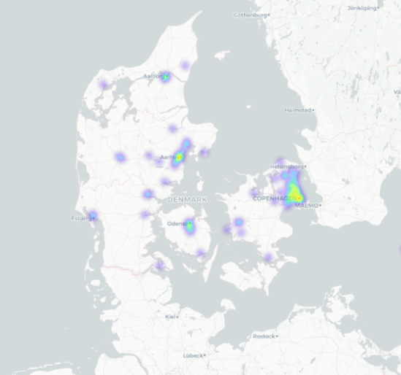

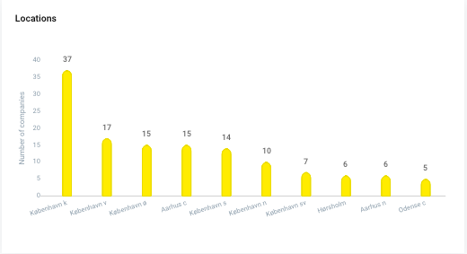
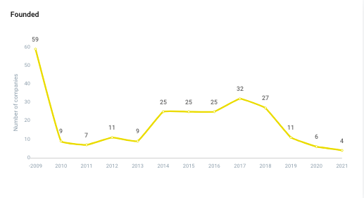

Business Name | Business ID | Address | Postal | City | Website | Registration Year | Vainu Custom Industry | Link to Vainu | Technologies | Languages
ACTIMO ApS | DK32932770 | Fruebjergvej 3 | 2100 | KØBENHAVN Ø | https://actimo.com/ | 18.05.2010 | Software,Gamification,Employee Engagement,Audio,B2B,Training,Mobile,SaaS,Sales,Productivity Tools,Enterprise Software,Virtual Workforce,Video Chat,Human Resources,Skill Assessment,Apps,Video,Information Technology,Enterprise,Management Information Systems | https://app.vainu.io/vainu/prospect/6679312/ | Global Site Tag, PHP, Vkontakte, Underscore.js 1.8, Workable, Font awesome, Linkedin Analytics / Advertisement Pixel, React, TLS v1.2, Google analytics, Website, SSL/TLS, Jquery, Tumblr, Swiper Slider, Pardot, WP Engine, Elementor, Wistia, Atlassian Domain Verification, Underscore.js, UNPKG, Cloudflare, Tab Icon, Wordpress, jQuery Migrate, Google tag manager, Flash, Html5, Linkedin Data Partner, Pinterest, Linkedin Insight Tag, Intercom Articles, Fastly, Google font api, Lightbox, Nginx, Salesforce marketing cloud, Facebook Share Button Plugin, Youtube Embed, Whatsapp Website Icon, Form Html Element, Vimeo, Mysql, Youtube, Google Plus, _("Responsive"), Google Site Verification, Atlassian Statuspage, Intercom, Smartlook, _("Online_Store"), Gmail, Recaptcha, Linkedin, Active Campaign, Javascript, Facebook | En
ACTIONPLANNER A/S | DK35388931 | Diplomvej 381 | 2800 | KONGENS LYNGBY | www.actionplanner.com | 28.06.2013 | Software,Information Technology,Enterprise Software,SaaS,Enterprise,Consulting,Business Information Systems,Management Information Systems | https://app.vainu.io/vainu/prospect/6696239/ | Global Site Tag, PHP, Apache 2.4, Vkontakte, Ubuntu, Site24X7 Analytics, Gravatar, TLS v1.2, Google analytics, Website, Chechen, SSL/TLS, Jquery, Twitter, Revslider, Afrikaans, Adobe Typekit, Yoast SEO, Wordpress, Tab Icon, Google tag manager, Yoast SEO 16.3, Postmark, TLS v1.0, Slack, Google font api, animate.css, ActiveCampaign, Facebook Share Button Plugin, Javascript, Form Html Element, Vimeo, Mysql, Google Plus, _("Responsive"), Google Site Verification, WordPress 5, Zendesk, Italian, Fur, Hubspot Analytics, Apache, Gmail, Recaptcha, Contact Form 7 Wordpress Plugin, Hubspot, Hubspot Forms, Revslider 5.4, Linkedin, Active Campaign, Hubspot Ads Pixel, Facebook, TLS v1.1 | En, Da
ACUBIZ A/S | DK20950587 | Bregnerødvej 133, 1. | 3460 | BIRKERØD | https://www.acubiz.dk | 29.06.1998 | Software,FinTech,Accounting,Finance,Information Technology,SaaS,Financial Services | https://app.vainu.io/vainu/prospect/6573501/ | PHP, Apache 2.4, MasterCard, Eurocard, Linkedin Analytics / Advertisement Pixel, Instagram, OptinMonster, TLS v1.2, Font awesome, Slick, Website, SSL/TLS, Jquery, Twitter, Wp rocket, Instafeed, Elementor, Office 365, Leadfeeder, Yoast SEO, Wordpress, Tab Icon, jQuery Migrate, Autopilot, Google tag manager, Google play, TLS v1.0, Linkedin Data Partner, Linkedin Insight Tag, American Express, Google font api, Facebook pixel, Cookiebot, Youtube Embed, Form Html Element, Vimeo, Yoast SEO 17.1, Mysql, Youtube, _("Responsive"), Google Site Verification, WordPress 5, Apache, Recaptcha, Linkedin, Javascript, Facebook, TLS v1.1 | Sv, En, Da, De, Fi
AGILLIC A/S | DK25063864 | Masnedøgade 22, 2. | 2100 | KØBENHAVN Ø | www.agillic.com | 02.12.1999 | Mobile Advertising,Software,Semantic Web,Customer Engagement,Marketing Automation,Analytics,Personalization,Digital Marketing,Customer Experience,Real Time,Social CRM,SaaS,Email Marketing,Advertising,Artificial Intelligence,B2C,Information Technology,Marketing,Customer Service | https://app.vainu.io/vainu/prospect/6805835/ | PHP, Teamtailor, Ziggeo, TLS v1.2, Google analytics, Website, section.io, SSL/TLS, Jquery, Twitter, Wp rocket, WP Engine, Fontfaceobserver, Elementor, Office 365, Google maps, Yoast SEO, Wordpress, Varnish, jQuery Migrate, Google tag manager, Ruby, TLS v1.0, Slack, Heroku, Facebook Like Button Plugin, Google font api, Nginx, Yoast SEO 17.2, Facebook Share Button Plugin, Form Html Element, Vimeo, Mysql, Linkedin, _("Responsive"), Google Site Verification, Zendesk, Agile CRM, Rackcache, Gmail, Recaptcha, Contact Form 7 Wordpress Plugin, Youtube Embed, Vue.js, Javascript, Facebook, TLS v1.1 | En
AKRON ApS | DK36546840 | c/o Andy Beare Kultorvet 11, 2. th. | 1175 | KØBENHAVN K | www.manuscriptmanager.com | 06.02.2015 | Content,Software,Education,Publishing,SaaS,Knowledge Management | https://app.vainu.io/vainu/prospect/6899859/ | PHP, Font awesome, Gravatar, Website, Yoast SEO 16.0, Jquery, Twitter, Plesk, Yoast SEO, Wordpress, Divi 4.9, Tab Icon, jQuery Migrate, Google tag manager, WordPress 5.7, Slack, Google pagespeed, GoToWebinar, Google font api, Hubspot CMS, Nginx, Javascript, Google PageSpeed 1.13, Form Html Element, Vimeo, Flickr, Mysql, Youtube, Linkedin, Google Plus, Hubspot Live Chat, _("Responsive"), Divi, Google Site Verification, WordPress 5, Hubspot Leadflows, Hubspot Analytics, Gmail, Hubspot, Hubspot Forms, Youtube Embed, Active Campaign, Hubspot Ads Pixel, Facebook | En
APVKVIK ApS | DK30244672 | Kanonbådsvej 4A | 1437 | KØBENHAVN K | www.apvkvik.dk | 22.01.2007 | Enterprise Software,Information Technology,SaaS,Software | https://app.vainu.io/vainu/prospect/6692531/ | Global Site Tag, Nginx 1.17, Google adwords, PHP, Google Shopping, Bootstrap, Doubleclick, Font awesome, Linkedin Analytics / Advertisement Pixel, Intranet, TLS v1.2, Google analytics, Website, Mailchimp, SSL/TLS, Jquery, Drupal 7, Office 365, Google maps, Select2, Drupal, Tab Icon, Google tag manager, Google Conversion, MailJet, TLS v1.0, Glyphicons, Linkedin Data Partner, Linkedin Insight Tag, Freshsales CRM, Google font api, Nginx, Cookiebot, Google remarketing, Microsoft azure, Form Html Element, Youtube, Linkedin, _("Responsive"), Google Site Verification, Blog, GSAP, Gmail, Recaptcha, Youtube Embed, Javascript, Facebook, TLS v1.1 | En, Da
APX10 A/S | DK40112456 | Ny Banegårdsgade 55, 4. | 8000 | AARHUS C | www.apx10.com | 20.12.2018 | Artificial Intelligence,Predictive Analytics,Software,Information Technology,Real Time,Asset Management,SaaS,Management Information Systems,Data Visualization,Big Data,Data Integration,Data Management,Analytics,Machine Learning | https://app.vainu.io/vainu/prospect/1529698495/ | Global Site Tag, PHP, TLS v1.2, Google analytics, Website, Microsoft IIS, Office365 email, SSL/TLS, Jquery, Microsoft IIS 10.0, Twitter, Outlook, Flash video, Microsoft asp.net, Microsoft exchange, Underscore.js, Cloudflare, Yoast SEO, Wordpress, Google tag manager, Yoast SEO 15.9, Flash, TLS v1.0, Modernizr, Google font api, Snap.svg, Hubspot Email, Nginx, Cookiebot, Mailgun, Microsoft azure, Form Html Element, Vimeo, English, Mysql, Flickr, Linkedin, Youtube, _("Responsive"), Backbone.js, Hubspot, Gravity Forms, Choices, Youtube Embed, Javascript, Facebook, TLS v1.1 | En, Da
AQOOLA A/S | DK32073506 | Agern Alle 5A | 2970 | HØRSHOLM | www.aqoola.com | 04.03.2009 | SaaS,Software | https://app.vainu.io/vainu/prospect/6706213/ | PHP, Bootstrap, Font awesome, Website, Slick, Office365 email, Jquery, Outlook, Microsoft exchange, Amazon CloudFront, Cloudflare, Tab Icon, jQuery Migrate, GoToWebinar, Google font api, Hubspot CMS, Hubspot Email, jQuery UI 1.11, Amazon web services, Form Html Element, Bootstrap 4.7, Vimeo, HubSpot CMS Hub, _("Responsive"), Google Site Verification, Hubspot Marketing Hub, Jquery ui, Hubspot, Hubspot Forms, Javascript | En, Da
ARPEDIO SOLUTIONS ApS | DK34219591 | Birkedommervej 27 | 2400 | KØBENHAVN NV | www.arpedio.com | 31.01.2012 | Small and Medium Businesses,CRM,Sales Automation,B2B,Software,Information Technology,SaaS,Consulting,Sales,Sales Enablement | https://app.vainu.io/vainu/prospect/6854510/ | PHP, Font awesome, Gravatar, TLS v1.2, Website, SSL/TLS, Jquery, Twitter, Pardot, Salesforce, Yoast SEO 16.9, Instafeed, Elementor, Yoast SEO, Wordpress, Tab Icon, jQuery Migrate, Google tag manager, Slack, Google font api, Nginx, Salesforce marketing cloud, Cookiebot, Form Html Element, Vimeo, Mysql, Youtube, _("Responsive"), Google Site Verification, Zendesk, Gmail, Openresty, Linkedin, Javascript, Facebook | En
...

